Clock
Signal Name | Stripline Breakout Length L1 [mils] | Stripline Length L2 [mils] | Stripline Length L3 [mils] | Stripline Break-in Length L4 [mils] | Stripline Break-in Length L5 [mils] | Microstrip Length L6 [mils] | Total MB Length (L1+L2+L3+L4+L5) [mils] | L1 Length Test (0<= L1<= 100) [mils] | L2 Length Test (100 <=L3<= 700) [mils] | L3 Length Test (1200 <=L3<= 1400) [mils] | L4 Length Test (250<=L4<= 400) [mils] | L5 Length Test (200<=L5<= 350) [mils] | L6 Length Test (30<=L6<=50) [mils] | L4+L5 Length Test (550<=L4+L5<=650) [mils] | Total MB Length (L1+L2+L3+L4+L5) Test (2000<=total<=2600) [mils] | Max ∆L3 (all L3 segments) MAX(L3)-MIN(L3)<=10 [mils] | Max ∆L4 (all L4 segments) MAX(L4)-MIN(L4)<=10 [mils] | Max ∆L5 (all L5 segments) MAX(L5)-MIN(L5)<=10 [mils] | Max ∆L6 (all L6 segments) MAX(L6)-MIN(L6)<=10 [mils] | CLK-to-CLK Length Matching (ABS(CKP-CKB)<=5) [mils] | Number of Via [Max suggested = 5]
SDRAM1
M_CKP |  |  |  |  |  |  | 0.000 | Pass | Fail | Fail | Fail | Fail | Fail | Fail | Fail | Pass | Pass | Pass | Pass | Pass
M_CKN |  |  |  |  |  |  | 0.000 | Pass | Fail | Fail | Fail | Fail | Fail | Fail | Fail | Pass | Pass | Pass | Pass | Pass
SDRAM2
M_CKP | 0.000 | 0.000 | 0.000 | 0.000 |  | 0.000 | 0.000 | Pass | Fail | Fail | Fail | Fail | Fail | Fail | Fail |  |  |  |  | Pass
M_CKN | 0.000 | 0.000 | 0.000 | 0.000 |  | 0.000 | 0.000 | Pass | Fail | Fail | Fail | Fail | Fail | Fail | Fail |  |  |  |  | Pass
SDRAM3
M_CKP | 0.000 | 0.000 | 0.000 |  |  | 0.000 | 0.000 | Pass | Fail | Fail | Fail | Fail | Fail | Fail | Fail |  |  |  |  | Pass
M_CKN | 0.000 | 0.000 | 0.000 |  |  | 0.000 | 0.000 | Pass | Fail | Fail | Fail | Fail | Fail | Fail | Fail |  |  |  |  | Pass
SDRAM4
M_CKP | 0.000 | 0.000 | 0.000 | 0.000 |  | 0.000 | 0.000 | Pass | Fail | Fail | Fail | Fail | Fail | Fail | Fail |  |  |  |  | Pass
M_CKN | 0.000 | 0.000 | 0.000 | 0.000 |  | 0.000 | 0.000 | Pass | Fail | Fail | Fail | Fail | Fail | Fail | Fail |  |  |  |  | Pass
SDRAM5
M_CKP | 0.000 | 0.000 |  |  |  |  | 0.000 | Pass | Fail | Fail | Fail | Fail | Fail | Fail | Fail |  |  |  |  | Pass
M_CKN | 0.000 | 0.000 |  |  |  |  | 0.000 | Pass | Fail | Fail | Fail | Fail | Fail | Fail | Fail |  |  |  |  | Pass
SDRAM6
M_CKP | 0.000 | 0.000 | 0.000 | 0.000 |  | 0.000 | 0.000 | Pass | Fail | Fail | Fail | Fail | Fail | Fail | Fail |  |  |  |  | Pass
M_CKN | 0.000 | 0.000 | 0.000 | 0.000 |  | 0.000 | 0.000 | Pass | Fail | Fail | Fail | Fail | Fail | Fail | Fail |  |  |  |  | Pass
SDRAM7
M_CKP | 0.000 | 0.000 | 0.000 |  |  | 0.000 | 0.000 | Pass | Fail | Fail | Fail | Fail | Fail | Fail | Fail |  |  |  |  | Pass
M_CKN | 0.000 | 0.000 | 0.000 |  |  | 0.000 | 0.000 | Pass | Fail | Fail | Fail | Fail | Fail | Fail | Fail |  |  |  |  | Pass
SDRAM8
M_CKP | 0.000 | 0.000 | 0.000 | 0.000 |  | 0.000 | 0.000 | Pass | Fail | Fail | Fail | Fail | Fail | Fail | Fail |  |  |  |  | Pass
M_CKN | 0.000 | 0.000 | 0.000 | 0.000 |  | 0.000 | 0.000 | Pass | Fail | Fail | Fail | Fail | Fail | Fail | Fail |  |  |  |  | Pass

CLOCK SIGNAL ROUTING TOPOLOGY
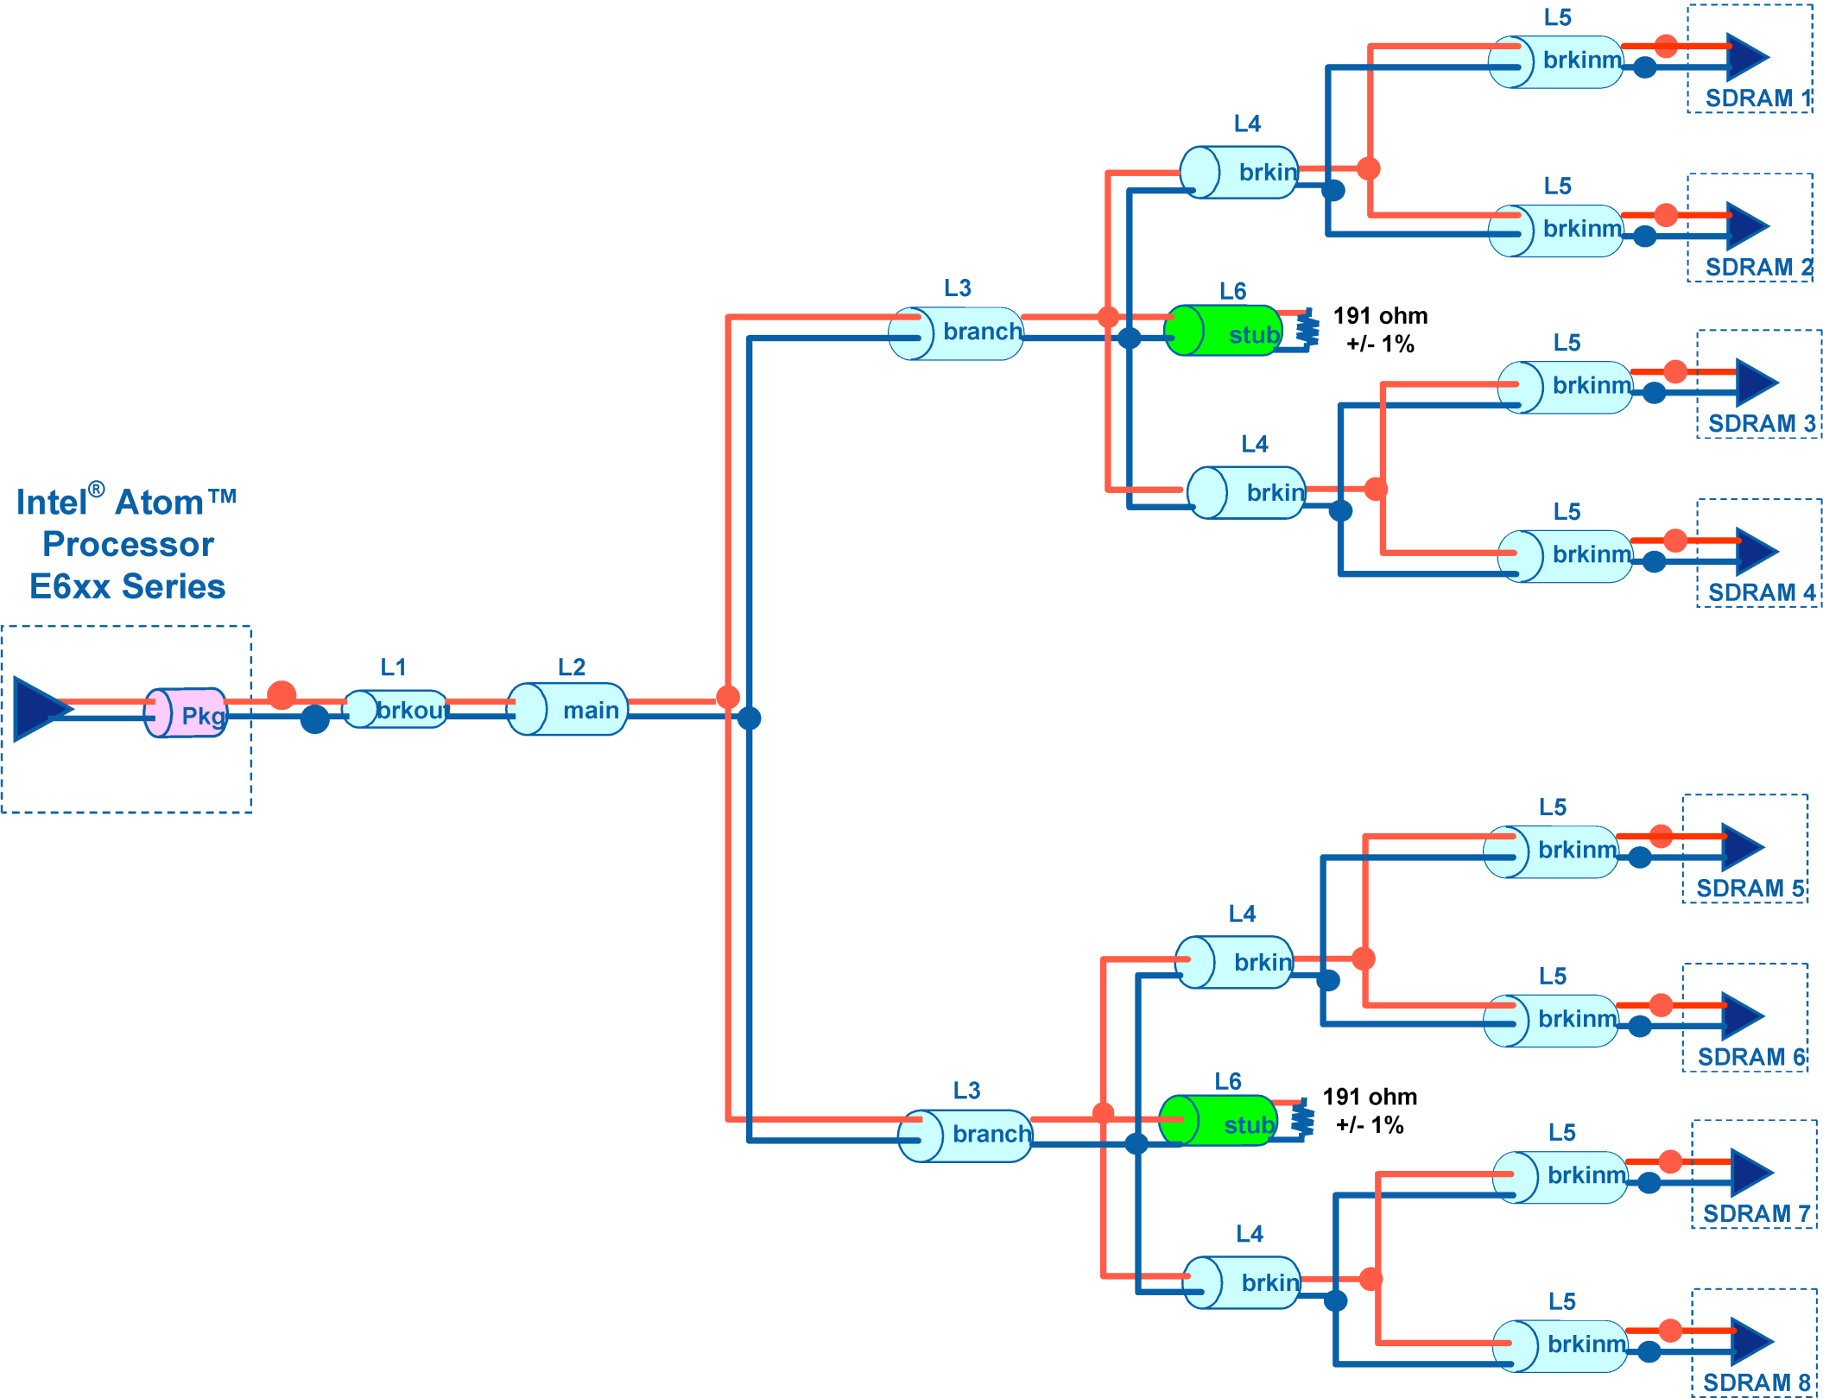

Control
Signal Name | Stripline Breakout Length L1 [mils] | Stripline Length L2 [mils] | Stripline Length L3 [mils] | Stripline Length L4 [mils] | Microstrip Break-in Length L5 [mils] | Microstrip Length L6 [mils] | Total MB Length (L1+L2+L3+L4+L5) [mils] | L1 Length Test (0<=L1<= 250) [mils] | L2 Length Test (100 <=L3<= 2000) [mils] | L3 Length Test (50 <=L3<= 1500) [mils] | L4 Length Test (50<=L4<= 600) [mils] | L5 Length Test (50<=L5<= 250) [mils] | L6 Length Test (10<=L6<=100) [mils] | L4+L5 Length Test (L4+L5<=630) [mils] | Total MB Length (L1+L2+L3+L4+L5) Test (2000<=total<=2750) [mils] | Max ∆L3 (all L3 segments) MAX(L3)-MIN(L3)<=100 [mils] | Max ∆L4 (all L4 segments) MAX(L4)-MIN(L4)<=200 [mils] | CTRL-to-CLK Length Matching (CLK-500<=total<=CLK+150) [mils] | Number of Via [Max suggested = 5]
SDRAM1
M_CKE[0] |  |  |  |  |  |  | 0.000 | Pass | Fail | Fail | Fail | Fail | Fail | Pass | Fail | Pass | Pass | Pass
M_CS[0] |  |  |  |  |  |  | 0.000 | Pass | Fail | Fail | Fail | Fail | Fail | Pass | Fail | Pass | Pass | Pass
M_ODT[0] |  |  |  |  |  |  | 0.000 | Pass | Fail | Fail | Fail | Fail | Fail | Pass | Fail | Pass | Pass | Pass
SDRAM2
M_CKE[0] | 0.000 | 0.000 | 0.000 |  |  | 0.000 | 0.000 | Pass | Fail | Fail | Fail | Fail | Fail | Pass | Fail |  |  | Pass
M_CS[0] | 0.000 | 0.000 | 0.000 |  |  | 0.000 | 0.000 | Pass | Fail | Fail | Fail | Fail | Fail | Pass | Fail |  |  | Pass
M_ODT[0] | 0.000 | 0.000 | 0.000 |  |  | 0.000 | 0.000 | Pass | Fail | Fail | Fail | Fail | Fail | Pass | Fail |  |  | Pass
SDRAM3
M_CKE[0] | 0.000 | 0.000 |  |  |  | 0.000 | 0.000 | Pass | Fail | Fail | Fail | Fail | Fail | Pass | Fail |  |  | Pass
M_CS[0] | 0.000 | 0.000 |  |  |  | 0.000 | 0.000 | Pass | Fail | Fail | Fail | Fail | Fail | Pass | Fail |  |  | Pass
M_ODT[0] | 0.000 | 0.000 |  |  |  | 0.000 | 0.000 | Pass | Fail | Fail | Fail | Fail | Fail | Pass | Fail |  |  | Pass
SDRAM4
M_CKE[0] | 0.000 | 0.000 | 0.000 |  |  | 0.000 | 0.000 | Pass | Fail | Fail | Fail | Fail | Fail | Pass | Fail |  |  | Pass
M_CS[0] | 0.000 | 0.000 | 0.000 |  |  | 0.000 | 0.000 | Pass | Fail | Fail | Fail | Fail | Fail | Pass | Fail |  |  | Pass
M_ODT[0] | 0.000 | 0.000 | 0.000 |  |  | 0.000 | 0.000 | Pass | Fail | Fail | Fail | Fail | Fail | Pass | Fail |  |  | Pass
SDRAM5
M_CKE[1] |  |  |  |  |  |  | 0.000 | Pass | Fail | Fail | Fail | Fail | Fail | Pass | Fail | Pass | Pass | Pass
M_CS[1] |  |  |  |  |  |  | 0.000 | Pass | Fail | Fail | Fail | Fail | Fail | Pass | Fail | Pass | Pass | Pass
M_ODT[1] |  |  |  |  |  |  | 0.000 | Pass | Fail | Fail | Fail | Fail | Fail | Pass | Fail | Pass | Pass | Pass
SDRAM6
M_CKE[1] | 0.000 | 0.000 | 0.000 |  |  | 0.000 | 0.000 | Pass | Fail | Fail | Fail | Fail | Fail | Pass | Fail |  |  | Pass
M_CS[1] | 0.000 | 0.000 | 0.000 |  |  | 0.000 | 0.000 | Pass | Fail | Fail | Fail | Fail | Fail | Pass | Fail |  |  | Pass
M_ODT[1] | 0.000 | 0.000 | 0.000 |  |  | 0.000 | 0.000 | Pass | Fail | Fail | Fail | Fail | Fail | Pass | Fail |  |  | Pass
SDRAM7
M_CKE[1] | 0.000 | 0.000 |  |  |  | 0.000 | 0.000 | Pass | Fail | Fail | Fail | Fail | Fail | Pass | Fail |  |  | Pass
M_CS[1] | 0.000 | 0.000 |  |  |  | 0.000 | 0.000 | Pass | Fail | Fail | Fail | Fail | Fail | Pass | Fail |  |  | Pass
M_ODT[1] | 0.000 | 0.000 |  |  |  | 0.000 | 0.000 | Pass | Fail | Fail | Fail | Fail | Fail | Pass | Fail |  |  | Pass
SDRAM8
M_CKE[1] | 0.000 | 0.000 | 0.000 |  |  | 0.000 | 0.000 | Pass | Fail | Fail | Fail | Fail | Fail | Pass | Fail |  |  | Pass
M_CS[1] | 0.000 | 0.000 | 0.000 |  |  | 0.000 | 0.000 | Pass | Fail | Fail | Fail | Fail | Fail | Pass | Fail |  |  | Pass
M_ODT[1] | 0.000 | 0.000 | 0.000 |  |  | 0.000 | 0.000 | Pass | Fail | Fail | Fail | Fail | Fail | Pass | Fail |  |  | Pass

CONTROL SIGNAL ROUTING TOPOLOGY
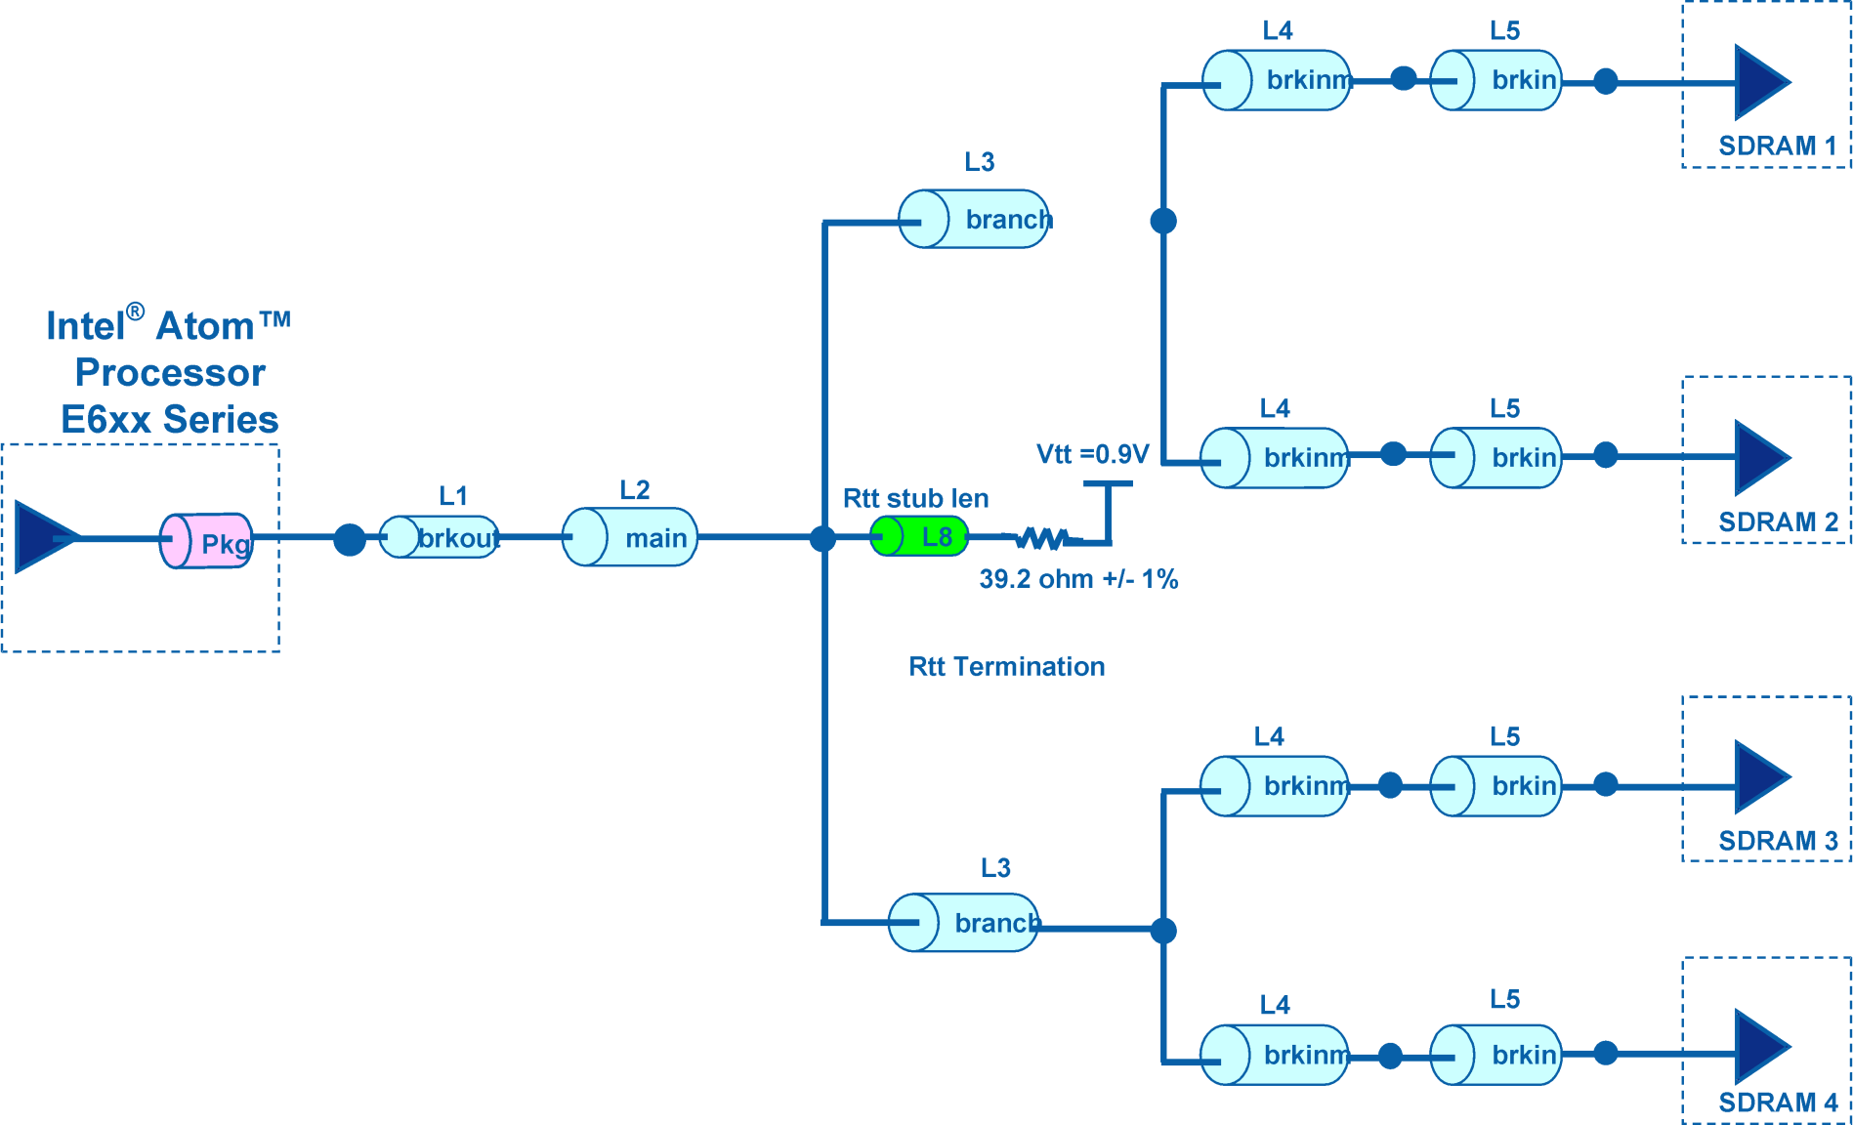

Command-Add
Signal Name | Stripline Breakout Length L1 [mils] | Stripline Length L2 [mils] | Stripline Length L3 [mils] | Stripline Length L4 [mils] | Microstrip Break-in Length L5 [mils] | Microstrip Length L6 [mils] | Total MB Length (L1+L2+L3+L4+L5) [mils] | L1 Length Test (0<=L1<= 250) [mils] | L2 Length Test (100 <=L3<= 2750) [mils] | L3 Length Test (50 <=L3<= 1500) [mils] | L4 Length Test (50<=L4<= 650) [mils] | L5 Length Test (50<=L5<= 200) [mils] | L6 Length Test (10<=L6<=100) [mils] | Total MB Length (L1+L2+L3+L4+L5) Test (2000<=total<=3000) [mils] | Max ∆L3 (all L3 segments) MAX(L3)-MIN(L3)<=100 [mils] | Max ∆L4 (all L4 segments) MAX(L4)-MIN(L4)<=200 [mils] | Max ∆L5 (all L5 segments) MAX(L5)-MIN(L5)<=100 [mils] | CMD-to-CLK Length Matching (CLK-500<=total<=CLK+500) [mils] | Number of Via [Max suggested = 5]
...
Misc Command
M_RASB | 0.000 | 0.000 | 0.000 | 0.000 |  | 0.000 | 0.000 | Pass | Fail | Fail | Fail | Fail
M_CASB | 0.000 | 0.000 | 0.000 | 0.000 |  | 0.000 | 0.000 | Pass | Fail | Fail | Fail | Fail
M_WEB | 0.000 | 0.000 | 0.000 | 0.000 |  | 0.000 | 0.000 | Pass | Fail | Fail | Fail | Fail

COMMAND AND ADDRESS SIGNAL ROUTING TOPOLOGY

